Sheet1
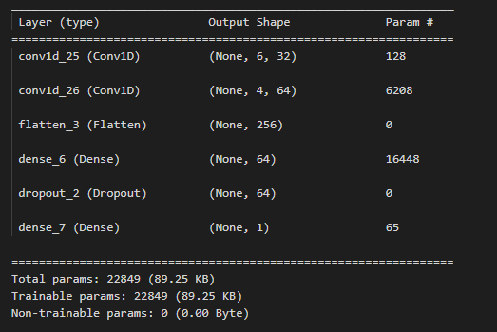
 | CNN Epoch 55 | RF | Fine Tree | LDA
S1 | 94.97% | 93.47% | 86.68% | 81.41%
S2 | 95.98% | 97.49% | 92.46% | 84.67%
S3 | 77.38% | 87.92% | 81.23% | 72.75% | Random Forest | Fine Decision Tree | Linear Discriminant Analysis
S4 | 76.86% | 83.70% | 72.36% | 69.25% | 89.76% | 82.36% | 76.96%
S5 | 83.29% | 88.17% | 80.97% | 73.32%
S6 | 93.83% | 95.56% | 84.94% | 84.44%
Realtime Classification Comparison
S7 | 79.21% | 87.11% | 77.37% | 72.37%
S8 | 82.41% | 86.43% | 76.88% | 73.62%
S9 | 84.67% | 92.21% | 83.17% | 72.36%
S10 | 76.88% | 80.40% | 77.64% | 71.36%
S11 | 95.73% | 94.92% | 92.28% | 91.06%

std |  | 0.053678986916 | 0.063781593241 | 0.071356027967
avg
variance |  | 0.0028814336364 | 0.0040680916364 | 0.0050916827273

